Roadmap
Roadmap --- Ø 12-1/4" 616-SR+9(K)(BR)

Midland Basin --- Intermediate Interval

 |  |  |  |  |  | 0.16 |  |  | On Bottom
Depth | Formation | Characteristics | WOB | Rotary | Total | Flow | Expected ROP |  | Section | Cumulative
(ft) |  |  | (KLBS) | (rpm) | (rpm) | (GPM) | (ft/hr) |  | (hrs) | (hrs) | ROP
1800 - 2500 | Rustler |  | 35 | 60 - 80 | 220 - 240 | 1,000 | 300 - 320 | 310 | 2.3 | 2.3 | 310
2500 - 3000 | Salado |  | 42 | 60 - 80 | 220 - 240 | 1,000 | 300 - 320 | 310 | 1.6 | 3.9 | 310
3000 - 3500 | Yates | Anhydrite, Salt | 40 | 60 - 70 | 220 - 230 | 1,000 | 260 - 280 | 270 | 1.9 | 5.7 | 297
3500 - 4000 | Seven Rivers | Sand, w/ Anhydrite Stringers, Shale | 44 | 60 - 70 | 220 - 230 | 1,000 | 220 - 240 | 230 | 2.2 | 7.9 | 279
4000 - 4500 | Transition Zone | Can be Lime stringers | 50 | 40 - 60 | 184 - 204 | 900 | 150 - 170 | 160 | 3.1 | 11.0 | 245
4500 - 5000 | Queen | Sand, w/ Anhydrite Stringers, Shale | 46 | 60 - 70 | 204 - 214 | 900 | 160 - 180 | 170 | 2.9 | 14.0 | 229
5000 - 5500 | Grayburg | Dolomite - Hard cap (Can be Cherty) | 49 | 40 - 60 | 184 - 204 | 900 | 130 - 150 | 140 | 3.6 | 17.5 | 211
5500 - 6000 | San Andres & Holt | Dolomite - Hard cap (Can be Cherty) | 52 | 50 - 60 | 194 - 204 | 900 | 160 - 180 | 170 | 2.9 | 20.5 | 205
6000 - 6500 | Glorietta | Cherty Dolomite, Limestone, Sands | 55 | 60 - 80 | 204 - 224 | 900 | 180 - 200 | 190 | 2.6 | 23.1 | 203
6500 - 7000 | Tubb | Limestone | 52 | 60 - 70 | 220 - 230 | 1,000 | 180 - 200 | 190 | 2.6 | 25.7 | 202
7000 - 7500 | Upper Clearfork |  | 48 | 60 - 70 | 220 - 230 | 1,000 | 160 - 180 | 170 | 2.9 | 28.7 | 199
7500 - 8000 | Clearfork | Limestone | 50 | 60 - 70 | 220 - 230 | 1,000 | 170 - 190 | 180 | 2.8 | 31.5 | 197
8000 - 8500 | Wichita Albany | Lime, Dolomite | 46 | 50 - 60 | 194 - 204 | 900 | 140 - 160 | 150 | 3.3 | 34.8 | 193
8500 - 9000 | Sprayberry | Shaley Sand | 48 | 60 - 80 | 220 - 240 | 1,000 | 140 - 160 | 150 | 3.3 | 38.1 | 189
9000 - 9500 | Dean |  | 45 | 60 - 80 | 220 - 240 | 1,000 | 120 - 140 | 130 | 3.8 | 42.0 | 183
9500 - 10000 | Wolfcamp | Sand, Shale, Lime | 45 | 60 - 70 | 220 - 230 | 1,000 | 120 - 140 | 130 | 3.8 | 45.8 | 179
 |  |  |  |  |  |  |  |  | 45.8 hrs |  | 179 ROP
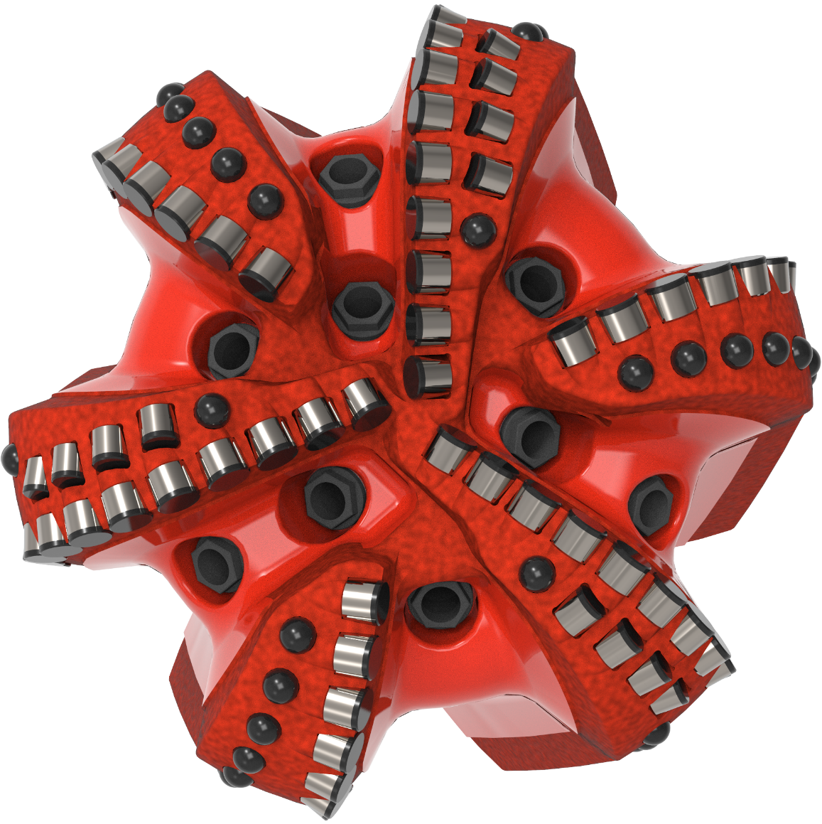
 |  |  |  |  |  |  |  |  | 1.91 days

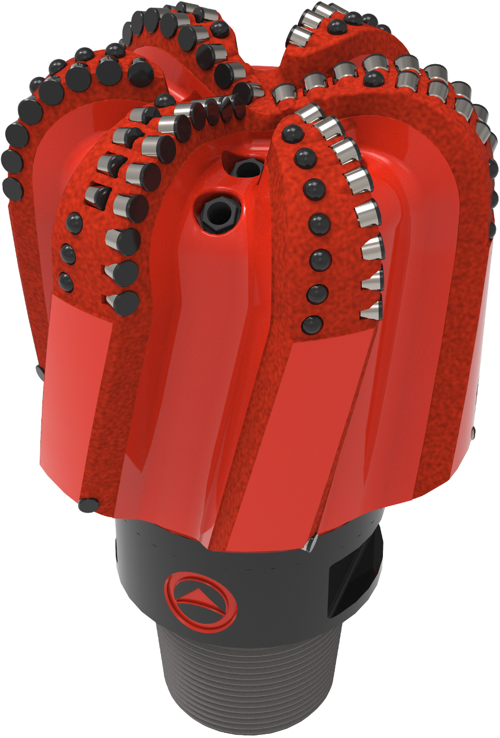

 | ROP | (hrs)
1,800 | 320 | 0.0
2,500 | 320 | 2.3
3,000 | 320 | 3.9
3,500 | 280 | 5.7
4,000 | 240 | 7.9
4,500 | 170 | 11.0
5,000 | 180 | 14.0
5,500 | 150 | 17.5
6,000 | 180 | 20.5
6,500 | 200 | 23.1
7,000 | 200 | 25.7
7,500 | 180 | 28.7
8,000 | 190 | 31.5
8,500 | 160 | 34.8
9,000 | 160 | 38.1
9,500 | 140 | 42.0
10,000 | 140 | 45.8

 |  |  |  |  |  |  |  |  |  |  | 6653

